시운전순서
※ 파일 사용방법
 |  | 1_Drive및Motor정보 ~ 3_운전방안(4) : Drive정보, Motor정보, 운전방안 등을 입력하는 Sheet
초기값 또는 참고값 셀
입력이 필요한 셀
자동계산 또는
자동선택 셀
입력누락 또는
입력오류 셀
입력관련 설명

Factory Set 값 (초기 값)
"1_시스템정보"에서 입력한 Drive No
"1_시스템정보"에서 Drive Model이 선택되지 않은 경우
입력정보에 의해 Factory Set과 다른 값
필요시 추가 입력 및 선택
 |  | 4_시운전설정(Par) : 입력정보에 의해 설정되는 Parameter List

 | 1) | "1_Drive및Motor정보" ~ "3_운전방안(4)"를 순서대로 입력한다.
 |  | - 입력누락 및 입력오류에 의해 발생되는 빨간색 셀이 없도록 입력해야 한다.
 | 2) | 필요시 "4_시운전설정(Par)" Sheet의 하얀색 셀 내용을 추가로 입력한다.
 | 3) | "4_시운전설정(Par)" Sheet의 주황색 셀 내용을 참고로 하여 Inverter Parameter를 설정한다.

기직TEST(포장)
※ PosDrive(Multi-Purpose) 시운전 결과 예)
1) INV001 | 모터단독
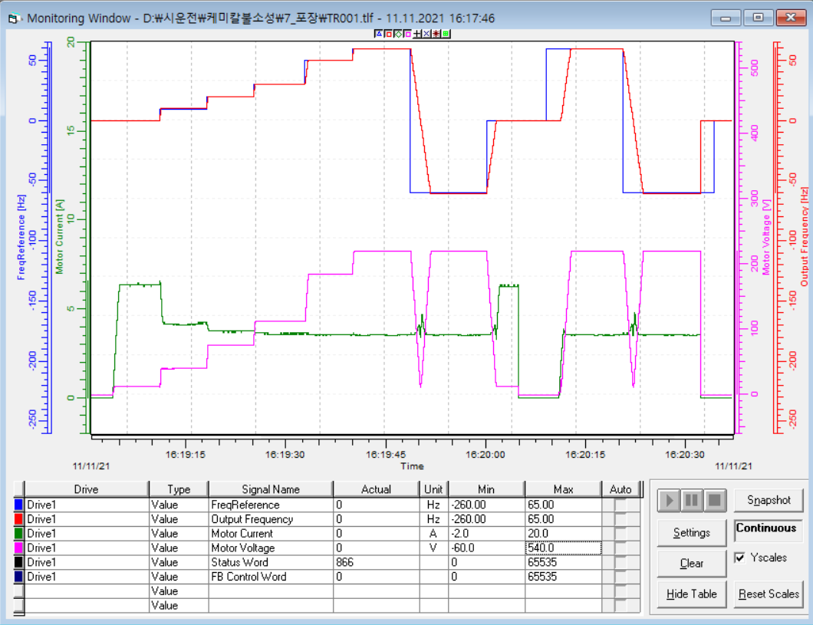
30Hz
FreqReference
Output Frequency
Motor Current
Motor Voltage
0Hz
220V
13V
10Hz
112V
13V
150% : 9.6A
60Hz
정격 : 6.4A
1.5sec
50Hz
41V
184V
6.4A
3.6A
20Hz
4.1A
76V
3.8A
3.6A
3.6A
6.4A
-60Hz

2) INV002 | 모터단독
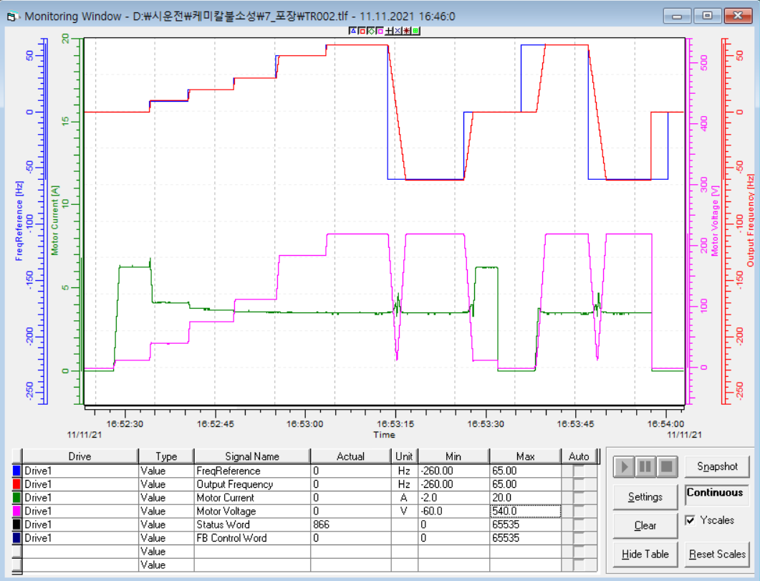
30Hz
FreqReference
Output Frequency
Motor Current
Motor Voltage
0Hz
220V
13V
10Hz
112V
13V
150% : 9.6A
60Hz
정격 : 6.4A
1.5sec
50Hz
40V
184V
6.4A
3.5A
20Hz
4.1A
76V
3.7A
3.6A
3.5A
6.3A
-60Hz

